Sheet1
 |  |  |  | 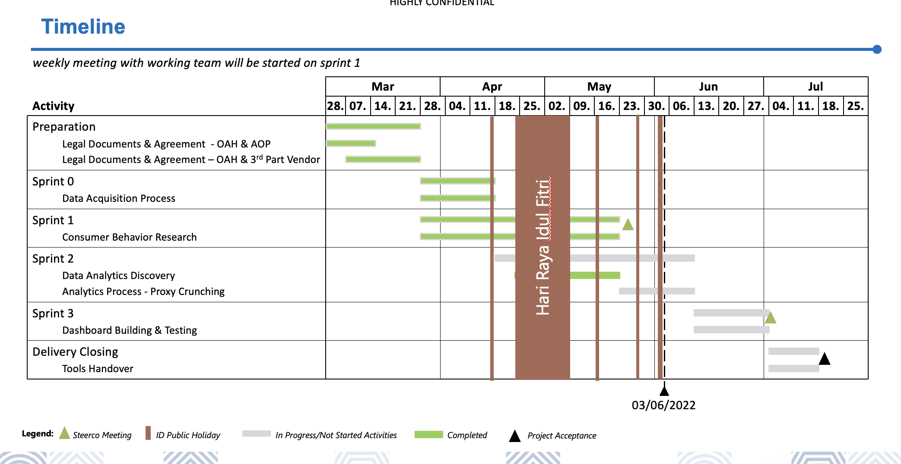

 | Jul
 | 2 | 3 | 4
 | 9 Jul | 16 Jul | 23 Jul
Business Understanding
Data Understanding
Data Preparation
Data Exploration
Modelling
Evaluation
Documentation

